Receptive Field Calculation
Receiptive Field
Layer | Kernal | Padding | Stride | Pixel in | Pixel out - No Padding | Pout - padding | RF in | RF out | Jump in
Layer 1 | 3 | 0 | 1 | 224 | 222 | 224 | 1 | 3 | 1
Layer 2 | 3 | 0 | 1 | 222 | 220 | 224 | 3 | 5 | 1
Layer 3 | 2 | 0 | 2 | 220 | 110 | 112 | 5 | 6 | 1
Layer 4 | 3 | 0 | 1 | 110 | 108 | 112 | 6 | 10 | 2
Layer 5 | 3 | 0 | 1 | 108 | 106 | 112 | 10 | 14 | 2
Layer 6 | 2 | 0 | 2 | 106 | 53 | 56 | 14 | 16 | 2
Layer 7 | 3 | 0 | 1 | 53 | 51 | 56 | 16 | 24 | 4
Layer 8 | 3 | 0 | 1 | 51 | 49 | 56 | 24 | 32 | 4
Layer 9 | 3 | 0 | 1 | 49 | 47 | 56 | 32 | 40 | 4
Layer 10 | 2 | 0 | 2 | 47 | 24 | 28 | 40 | 44 | 4
Layer 11 | 3 | 0 | 1 | 24 | 22 | 28 | 44 | 60 | 8
Layer 12 | 3 | 0 | 1 | 22 | 20 | 28 | 60 | 76 | 8
Layer 13 | 3 | 0 | 1 | 20 | 18 | 28 | 76 | 92 | 8
Layer 14 | 2 | 0 | 2 | 18 | 9 | 14 | 92 | 100 | 8
Layer 15 | 3 | 0 | 1 | 9 | 7 | 14 | 100 | 132 | 16
Layer 16 | 3 | 0 | 1 | 7 | 5 | 14 | 132 | 164 | 16
Layer 17 | 3 | 0 | 1 | 5 | 3 | 14 | 164 | 196 | 16
Layer 18 | 2 | 0 | 2 | 3 | 2 | 7 | 196 | 212 | 16
Layer 19 | 7 | 0 | 1 |  |  | 7 | 212 | 404 | 32

GoogLENet-Inception (2)
Receiptive Field
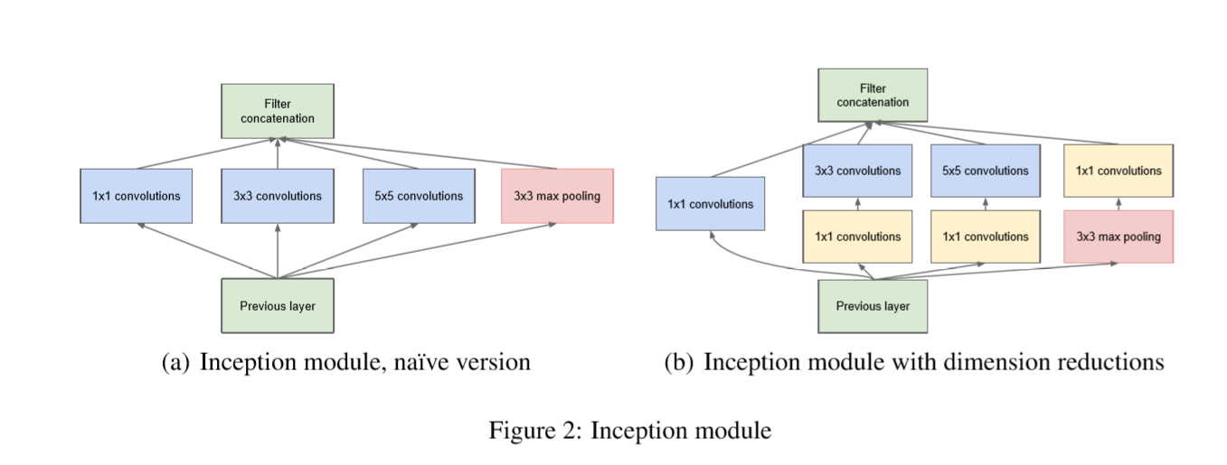
Layer | Kernal | Padding | Stride | Pixel in | Pout - padding | RF in | RF out | Jump in
conv | 7 | 0 | 2 | 224 | 112 | 1 | 7 | 1
max pool | 3 | 0 | 2 | 112 | 56 | 7 | 11 | 2
conv | 3 | 0 | 1 | 56 | 56 | 11 | 19 | 4
max pool | 3 | 0 | 2 | 56 | 28 | 19 | 27 | 4
inception 3a (max RP 5x5) | 5 | 0 | 1 | 28 | 28 | 27 | 59 | 8
inception 3b (max RP 5x5) | 5 | 0 | 1 | 28 | 28 | 59 | 91 | 8
max pool | 3 | 0 | 2 | 28 | 14 | 91 | 107 | 8
inception (4a) | 5 | 0 | 1 | 14 | 14 | 107 | 171 | 16
inception (4b) | 5 | 0 | 1 | 14 | 14 | 171 | 235 | 16
inception (4c) | 5 | 0 | 1 | 14 | 14 | 235 | 299 | 16
inception (4d) | 5 | 0 | 1 | 14 | 14 | 299 | 363 | 16
inception (4e) | 5 | 0 | 1 | 14 | 14 | 363 | 427 | 16
max pool | 3 | 0 | 2 | 14 | 7 | 427 | 459 | 16
inception (5a) | 5 | 0 | 1 | 7 | 7 | 459 | 587 | 32
inception (5b) | 5 | 0 | 1 | 7 | 7 | 587 | 715 | 32
Note on RF Calculation for Inception Layer :
For each of the inception layer, the path that provides maximum receptive field is considered for the next layer. In this case, 5X5 convolution provides the maximum RF jump.
avg pool | 7 | 0 | 1 | 7 | 7 | 715 | 907 | 32

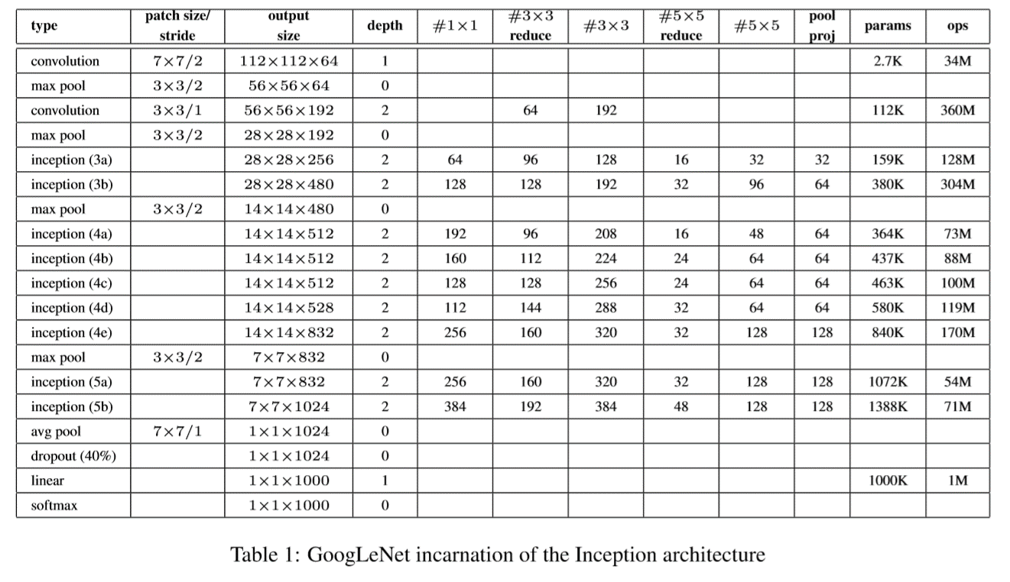

 |  |  |  |  |  |  |  |  | Reference
 |  |  |  |  |  |  |  |  | https://becominghuman.ai/understanding-and-coding-inception-module-in-keras-eb56e9056b4b
 |  |  |  |  |  |  |  |  | https://fomoro.com/research/article/receptive-field-calculator#
 |  |  |  |  |  |  |  |  | https://www.quora.com/What-is-max-pooling-in-convolutional-neural-networks
 |  |  |  |  |  |  |  |  | https://medium.com/@abhigoku10/topic-dl03-receptive-field-in-cnn-and-the-math-behind-it-e17565212a20

Formula
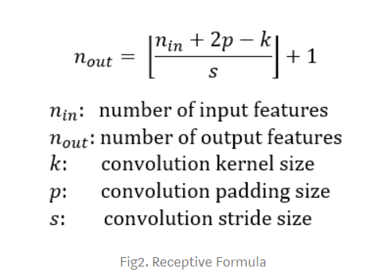
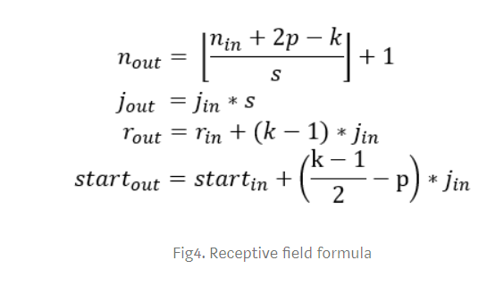

https://medium.com/@abhigoku10/topic-dl03-receptive-field-in-cnn-and-the-math-behind-it-e17565212a20

VS NEt
Receiptive Field
Layer | Kernal | Padding | Stride | Pixel in | Pixel out - No Padding | Pout - padding | RF in | RF out | Jump in
conv | 3 | 1 | 1 | 32 | 28 | 32 | 1 | 3 | 1
conv | 3 | 1 | 1 | 32 | 28 | 32 | 3 | 5 | 1
pool | 2 | 0 | 2 | 32 | 16 | 16 | 5 | 6 | 1
conv | 3 | 1 | 1 | 16 | 12 | 16 | 6 | 10 | 2
conv - dila=2 | 5 | 0 | 1 | 16 | 12 | 16 | 10 | 18 | 2
1x1 | 1 | 0 | 1 | 16 | 16 | 16 | 18 | 18 | 2
conv | 3 | 0 | 1 | 16 | 14 | 16 | 18 | 22 | 2
conv | 3 | 0 | 1 | 16 | 14 | 16 | 22 | 26 | 2
1x1 | 1 | 0 | 1 | 16 | 16 | 16 | 26 | 26 | 2
conv | 3 | 0 | 1 | 16 | 14 | 16 | 26 | 30 | 2
depthwise | 3 | 0 | 1 | 16 | 14 | 16 | 30 | 34 | 2
1x1 | 1 | 0 | 1 | 16 | 16 | 16 | 34 | 34 | 2
Avg pool | 3 | 0 | 1 | 16 | 14 | 16 | 34 | 38 | 2
 |  |  |  | 16 | #DIV/0! | #DIV/0! | 38 | 36 | 2
 |  |  |  | #DIV/0! | #DIV/0! | #DIV/0! | 36 | 36 | 0
Note on RF Calculation for Inception Layer :
For each of the inception layer, the path that provides maximum receptive field is considered for the next layer. In this case, 5X5 convolution provides the maximum RF jump.
 |  |  |  | #DIV/0! | #DIV/0! | #DIV/0! | 36 | 36 | 0

 |  |  |  |  |  |  |  |  |  | Reference
 |  |  |  |  |  |  |  |  |  | https://becominghuman.ai/understanding-and-coding-inception-module-in-keras-eb56e9056b4b
 |  |  |  |  |  |  |  |  |  | https://fomoro.com/research/article/receptive-field-calculator#
 |  |  |  |  |  |  |  |  |  | https://www.quora.com/What-is-max-pooling-in-convolutional-neural-networks
 |  |  |  |  |  |  |  |  |  | https://medium.com/@abhigoku10/topic-dl03-receptive-field-in-cnn-and-the-math-behind-it-e17565212a20

VS Net 2
Receiptive Field
Layer | Kernal | Padding | Stride | Pixel in | Pout - padding | RF in | RF out | Jump in
Layer 1 | 3 | 1 | 1 | 32 | 32 | 1 | 3 | 1
Layer 2 | 3 | 1 | 1 | 28 | 32 | 3 | 5 | 1
Layer 3 | 2 | 0 | 2 | 24 | 16 | 5 | 6 | 1
Layer 4 | 3 | 1 | 1 | 12 | 16 | 6 | 10 | 2
Layer 5 | 5 | 1 | 1 | 8 | 14 | 10 | 18 | 2
Layer 6 | 2 | 0 | 2 | 2 | 7 | 18 | 20 | 2
Layer 7 | 1 | 0 | 1 | 1 | 7 | 20 | 20 | 4
Layer 8 | 3 | 1 | 1 | 1 | 7 | 20 | 28 | 4
Layer 9 | 3 | 1 | 1 | -3 | 7 | 28 | 36 | 4
Layer 10 | 2 | 0 | 1 | -7 | 3 | 36 | 40 | 4
Layer 11 | 1 | 0 | 1 | 8 | 3 | 40 | 40 | 4
Layer 12 | 3 | 1 | 1 | 8 | 3 | 40 | 48 | 4
Layer 13 | 3 | 1 | 1 | 4 | 3 | 48 | 56 | 4
Layer 14 | 1 | 0 | 1 | 0 | 3 | 56 | 56 | 4
Layer 15 | 3 | 0 | 1 | 0 | 3 | 56 | 64 | 4
Layer 16 |  |  |  | 2 | #DIV/0! | 64 | 60 | 4
Layer 17 |  |  |  | #DIV/0! | #DIV/0! | 60 | 60 | 0
Layer 18 |  |  |  | #DIV/0! | #DIV/0! | 60 | 60 | 0
Layer 19 |  |  |  |  | #DIV/0! | 60 | 60 | 0

